Instructions
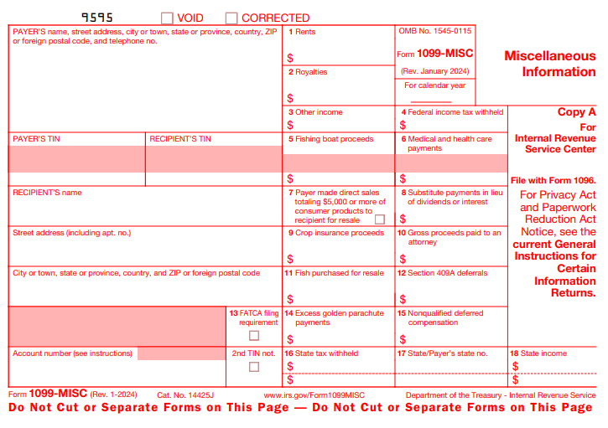

 | HOW TO DEVELOP YOUR 1099 RECIPIENT LIST

Step 1: | Go through all payments made during the calendar year and determine those recipients where payments in excess of $600 were made (or payments of $10 or more in interest, dividends, or royalties)
 | Make sure you include the following:
 | Gross rents and royalties, including payments to related parties for land, building or equipment rent
 | Fees, commissions, prizes, awards or any compensation paid for services in the course of your trade or business. Examples of services include:
 | Veterinary services
 | Equipment rentals
 | Professional service fees such as fees paid to attorneys, accountants, architects, contractors, engineers, etc.
 | Labor portion of repairs
 | Subcontracting
 | Director fees, speaker fees
 | Referral fees
 | Medical and health care payments
 | Winnings on TV or radio shows

Step 2: | From the list created in Step 1 above, REMOVE the following:
 | Payments to governments
 | Payments of rent to real estate agents or property managers
 | Payments for merchandise, telegrams, telephone, freight, storage and similar charges
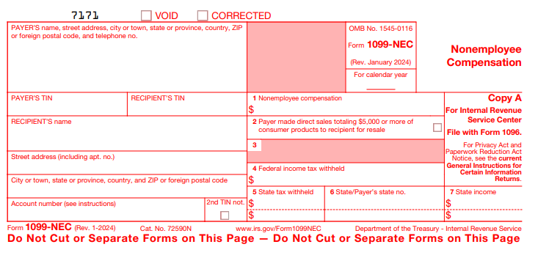
 | Payments to a tax-exempt organization
 | Payments made via credit card, or through a payment processor (PayPal, Stripe, Square, etc.)

Step 3: | Further remove any recipients that are incorporated, except for payments made to attorneys or medical/health care corporations.
 | You will have to confirm whether or not they are incorporated by checking the Form W-9.
 | On the Form W-9: If they have ANY of the following boxes checked, remove them from your list:
 | C Corporation
 | S Corporation
 | Limited liability company WITH either a C or S code listed out beside

Step 4: | You now have your 1099 recipient list ready. From the list, enter the requested details on the appropriate 1099 Recipient Info tabs. Once you have the Payer Info tax and any applicable 1099 Recipient Info tabs complete, just send this spreadsheet over to your SL advisor and we'll take care of the rest!

Step 5: | Indicate whether or not you would like us to print and mail on your behalf?
 | We offer a postal mail service from January through April for $1.75 per form.
 | You may print and mail yourself for no additional charge.

